Suds-Away
Caroline Janes

Probability Inputs
P(S) | 0.3 |  |  | Not Produce |  | No Survey, Produce |  |  |  |  | Conduct Survey
P(W) | 0.7 |  | EMV | $0.00 |  | Strong | Weak |  |  |  | + | -
P(+|W) | 0.1 |  |  |  | Probabilities | 0.3 | 0.7 |  |  | Probabilities | 0.31 | 0.69
P(-|S) | 0.2 |  |  |  | Profit/Loss | $18.00 | -$8.00 |  |  | Produce | Not Produce | Not Produce | Produce
 |  |  |  |  | EMV | -$0.20 |  |  | Strong | Weak | -$2.40 | -$2.40 | Strong | Weak
Calculated Probabilities |  |  |  |  |  |  |  | Probabilities | 0.774 | 0.226 |  |  | 0.087 | 0.913
P(-|W) | 0.9 |  |  |  |  |  |  | Profit/Loss | $15.60 | -$10.40 |  |  | $15.60 | -$10.40
P(+|S) | 0.8 |  |  |  |  |  |  | EMV | $9.73 |  |  |  | -$8.14
P(+) | 0.31
P(-) | 0.69 |  |  |  |  |  |  |  | EMV of Conducting the Survey |  |  | $1.36
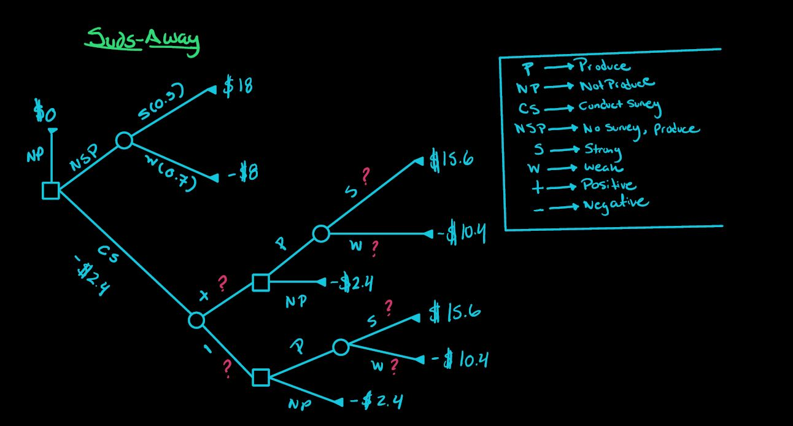
P(S|+) | 0.77
P(W|+) | 0.23
P(S|-) | 0.087
P(W|-) | 0.91 | The Role Of Information
 |  | Cost of Information | -$2.40
Legend |  | EMV Free Information | $3.76
 | Input | EMV Without Information | $0.00
 | Calculated | Expected Value of Information | $3.76
 | Decision
 | Unknown | EMV Free and Perfect Information | $5.40
 |  | EMV Without Information | $0.00
 |  | EVPI | $5.40

